Liscensors
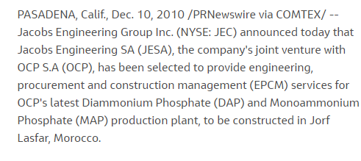
 | Liscensors
Intecsa Industrial | Yes | https://www.intecsaindustrial.com/fertilizers/
Veolia's HPD® | Yes | https://www.veoliawatertechnologies.com/en/newsroom/latest-news/water-soluble-fertilizers-its-crystal-clear#:~:text=Veolia's%20HPD%C2%AE%20evaporation%20and,art%20research%20and%20development%20capabilities.
KBR Inc. | Yes | https://www.kbr.com/en/what-we-do/technologies/process-technologies/inorganics-technologies/crystallization-technologies
GEA Group | Yes | https://www.gea.com/en/stories/new-solutions-producing-high-purity-map.jsp
thyssenkrupp Industrial Solutions (India) Private Limited | Yes | https://www.thyssenkrupp-industrial-solutions.com/en/products-and-services/fertilizer-plants/phosphate-plants/phosphoric-acid-plants/
Prayon’s water soluble MAP fertilizer technology | Yes
Jacobs Engineering Group Inc. | Yes | https://www.jacobs.com/newsroom/news/jacobs-joint-venture-jesa-awarded-contract-ocp-0

Potassium sulfate (K2SO4) is usually manufactured by reacting the chloride with sulfuric acid. Normally K2SO4 contains 43% K. The fact that the use of modern highly concentrated fertilizers leads to unbalanced plant nutrition suggests that sulfate-based fertilizers, which have up to now only been used for certain special crops, may have a wider application.
The process for manufacturing MAP is relatively simple. In a common method, a one-to-one ratio of ammonia (NH₃) and phosphoric acid (H₃PO₄) is reacted and the resulting slurry of MAP is solidified in a granulator. The second method introduces the two starting materials in a pipe-cross reactor, where the reaction generates heat to evaporate water and solidify MAP. Other methods exist as well. An advantage of manufactured MAP is that lower-quality H₃PO₄ can be used compared with other P fertilizers often requiring a more pure grade of acid. The phosphorus pentoxide (P₂O₅) equivalent content of MAP varies from 48 to 61 percent, depending on the amount of impurity in the acid. The most common fertilizer composition is 11-52-0.
Pottasium Sulphate
 |  |  |  | Mono ammonium phosphate
 |  |  | file:///C:/Users/pulkit.malhotra/Downloads/426014.pdf
Fine MOP is a basic raw material to produce potassium sulphate (SOP) using the Mannheim process, where potassium chloride reacts with sulphuric acid at 600-700°C in a muffle furnace. SOP is used in a powder or granular form primarily in agriculture as a chloride-free fertilizer.
Due to its grain size, White Fine MOP produced by Uralkali reacts effectively and completely with sulphuric acid, while the low content of impurities in White Fine MOP ensures production of high purity SOP.

Pricing is completely depndent upon the energy consumption by the technologies, for instance KBR energy consumption is less as compared to previous methods, therefore pricing is less. Raw material is souced from GAIL for natural gases and air for nitrogen and for raw materials generally from china.

Calcium Nitrate
In the known processes of calcium nitrate fertilizer grade production, the form of the product obtained from calcium nitrate solution in a process of e.g. phosphorite reaction with nitric acid, is of great importance. It is important at the final production stages that calcium nitrate crystals have a stable form and don’t contain impurities such as ferrous and fluorous compounds, which are insoluble in water and difficult to separate by the traditional methods of neutralization and purification

It completely depends on the demand and this only drops if there is any fault in the technology system, otherwise no companies drops its production capcity.
 |  |  | Mono Pottasium Phosphate
The invention discloses a method for producing monopotassium phosphate. Wet phosphoric acid is purified, liquid ammonia is introduced into the purified phosphoric acid to prepare monoammonium phosphate solution, and potassium chloride aqueous solution is added into the solution to generate monopotassium phosphate. Excess potassium chloride and ammonia are transferred into a by-product N-P-K compound fertilizer to obtain a product with high purity and high yield.
Distribution channels are either sold directly to the goverment or private wholesellers which further distribute it to retailers.
 |  |  |  |  |  | Inventory share
 |  |  |  |  | Q.1 why does the company is not producing with full production capcity.
 |  |  |  |  | Q.2 distribution channel of companies prefred |  |  | Percentage
 |  |  |  |  | Q.3 Production technologies replace |  |  |  | KBR | latestly used technology
 |  |  |  |  | Q.4 Pricing |  |  |  | Halotoxic
 |  |  |  |  | Q.5 Raw material sourcing |  |  |  | pricing is based on energy consumption
 |  |  |  |  | India Competitors |  | WSF |  | Cafali
 |  |  | Pottasium Nitrate |  |  |  |  |  | Uday |  | energy/ metric ton

Manufacturers typically make potassium nitrate fertilizer (sometimes referred to as nitrate of potash or NOP by reacting potassium chloride (KCl) with a nitrate source. Depending on the objectives and available resources, the nitrate may come from sodium nitrate, nitric acid or ammonium nitrate. The resulting KNO3 is identical regardless of the manufacturing process. Potassium nitrate is commonly sold as a water-soluble, crystalline material primarily intended for dissolving and applying with water or in a prilled form for soil application. Traditionally, this compound is known as saltpeter.
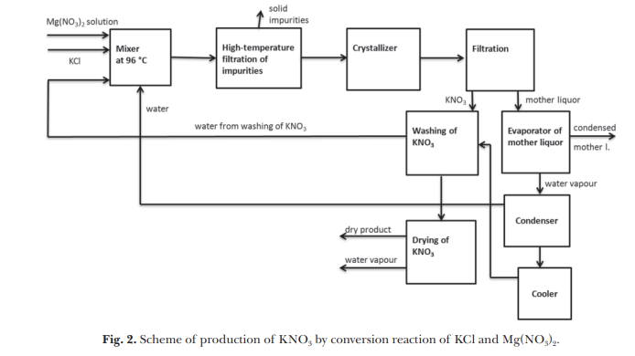
 |  |  |  |  |  |  |  |  | GAIL | for natural gases |  | air se nitrogen
 |  |  |  |  |  |  |  |  | raw material |  | china

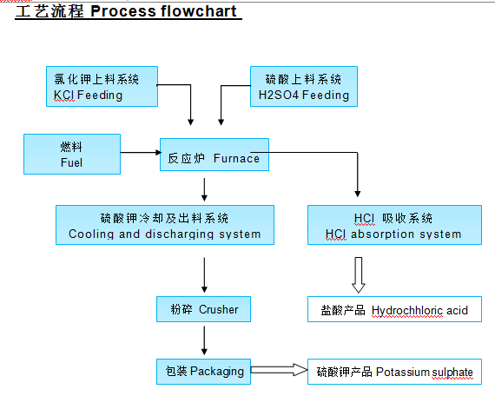

https://elessentct.com/industries/phosphate-fertilizer/

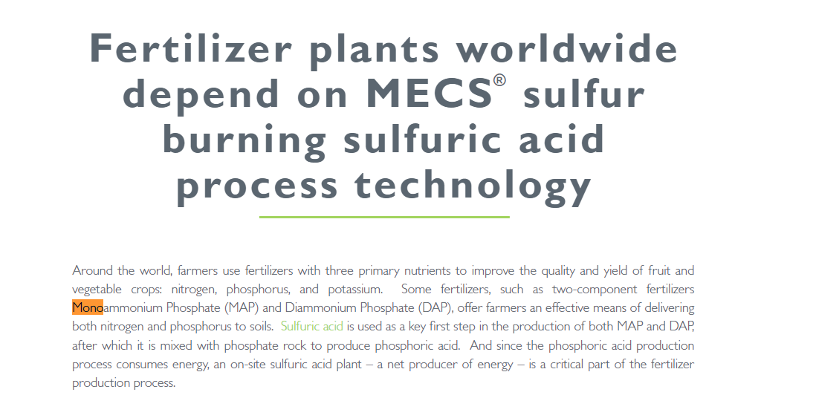


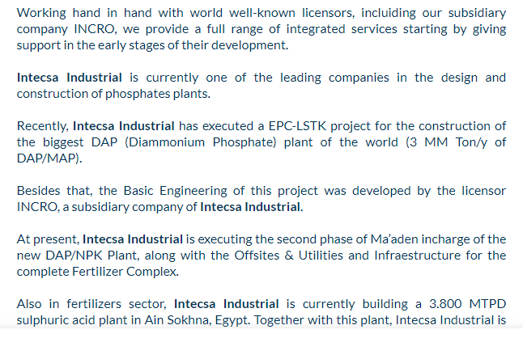
Intesca Industrial | Construction setup
 |  |  |  |  | INCRO, S.A
 |  |  |  | 1 | INCRO’s Preneutralizer slurry process
 |  |  |  | 2 | INCRO’s Pipe Reactor slurry Process
 |  |  |  | 3 | INCRO’s Solids granulation processes
 |  |  |  | 4 | INCRO’s Mixed slurry process
 |  |  |  | 5 | INCRO’s Prilling process
 |  |  |  | 6 | INCRO’s Nitrates granulation process
 |  |  |  | 7 | INCRO’s Ammonium nitrate solution process
 |  |  |  | 8 | Kuhlmann process

Veolia's HPD®

Alkimia’s new MAP plant, designed and delivered by Veolia, integrates two crystallisation stages with centrifugal separation, drying, cooling, and screening systems. The plant consumes merchant-grade phosphoric acid (MGA, a relatively low-grade acid) and ammonia to produce fully water-soluble, high purity (99 wt % minimum) MAP crystals with very low insoluble content (below 0.2 wt %). The plant design adopted by Alkimia followed a series of laboratory tests carried out by Veolia to simulate and develop the correct process flowsheet.

KBR Inc.

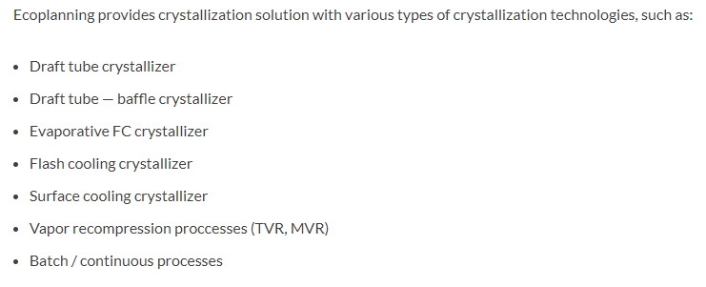

GEA

About 90% of the phosphoric acid globally produced is used to make fertilizers. It is primarily converted into three phosphate salts which are used as fertilizers: triple superphosphate (TSP), diammonium hydrogen phosphate (DAP) and monoammonium phosphate (MAP). MAP is suitable for all soil types and for all agricultural crops and climates. Any grade of compound fertilizer can be produced with monoammonium phosphate as an input, and this product is non-hygroscopic, non-dust forming, non-caking, has constant granulometric composition and is water-soluble. By meeting market requirements for both purity and crystal size, GEA crystallization and drying solutions – which can accommodate both merchant grade acid or purified phosphoric acid as a basis – add value to the customer’s business.

Jacobs Engineering Group Inc.

